Login
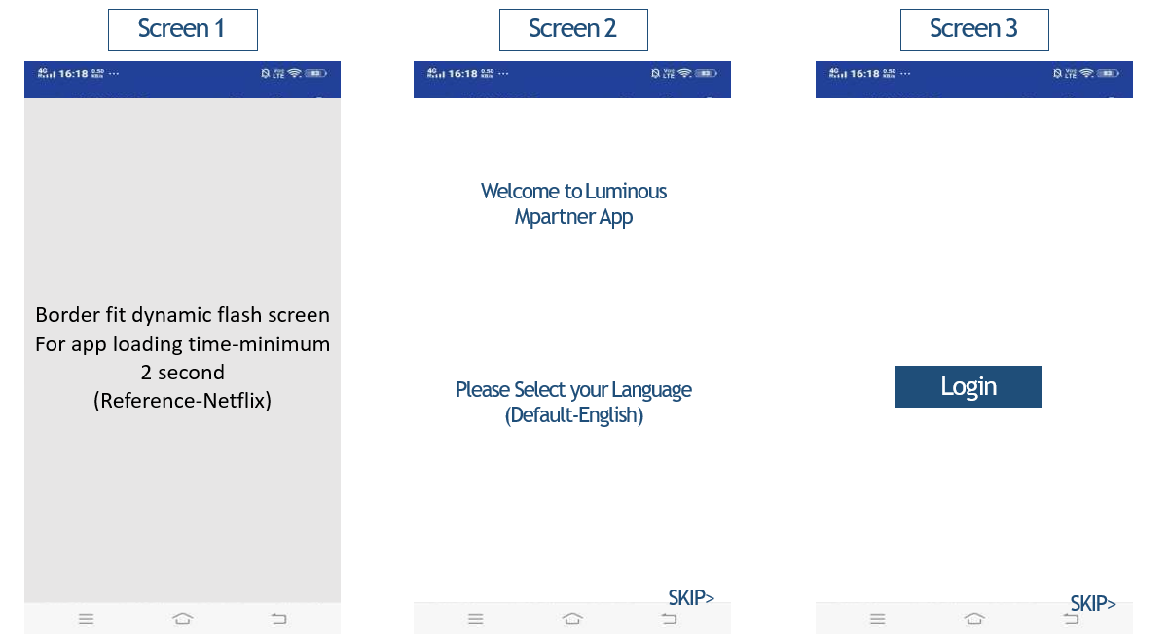
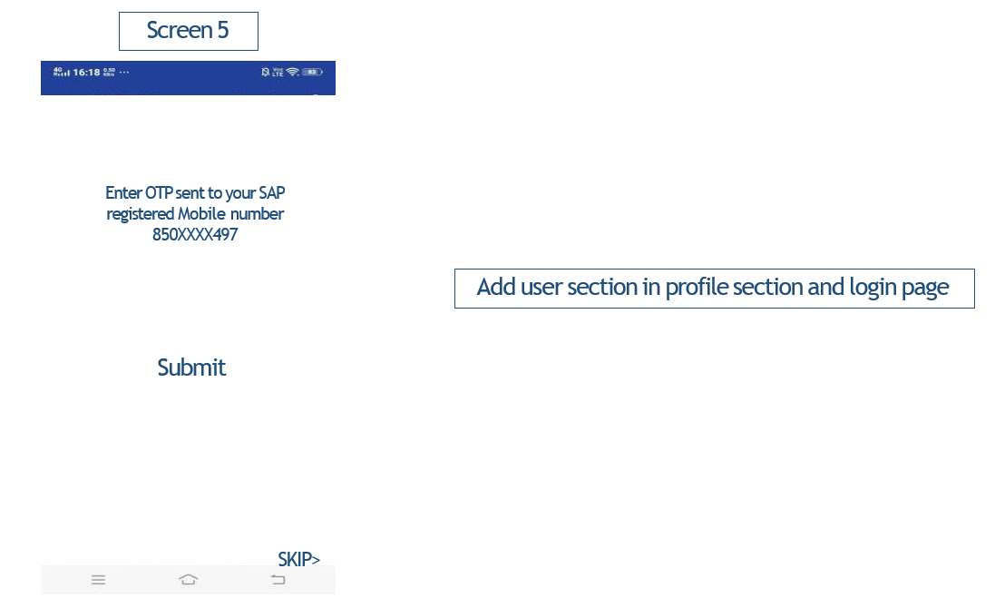

 | Requirement | Query | Effort | Effort | in days
 | Once the app is installed, user will click on the app icon |  | App : 7 | Ios : | 9
 | on click a splash screen should get displayed | this spalsh screen need to be dynamic - optional Need to provide image dimention to LPT | Backend : 7 | Android : | 9
 |  | but incase there is some network issue the screen may take time to load as per the speed of the network or even may not load | UI : 2 | API | 7
 | after the splash screen a welcome page should get displayed with option to select the langualge | list of language required ( currently will go with hindi and english but need an option where we can add other language in future) |  | QA | 4
 | if user skips the page login page should get displayed |  |  | UI
 | Login will be done with registered mobile number with SAP
 | OTP will be sent to that registered number | this parent user will have the option to add two child number in the profile section
 |  | and if the user try to login with that number, system should allow. App should auto logout if user is removed Add user option will only be there in profile page |  | * Assume 1.5 resource for Ios, Android and API
 | User can also skip the login process |  |  | * Assume 1QA for mobile and 1 for backend
 | If the user skips the login , then only few modules will be available for the said user. | need the list of open modules

 |  | need to maintain user db for both primary and secondary user

 | Updated Requirement | remark
Login | First login will be done by OTP, that will sent to registerd Phone no and email | OTP will be sent from LPT side
 | after successful OTP submission, User can genarate new password | new pass will be stored at DB
 | User can login on one 1 device at a time, if he is already logged in on other device, it will logout automatically
Forgot Password | There will be an option for Forgot password link
 | Clicking on it, will send OTP to Registerd Phone no and email | OTP will be sent from LPT side
 | after successful OTP submission, User can genarate new password | new pass will be stored at DB
Skip | User can also skip the login process
 | If the user skips the login , then only few modules will be available for the said user. | need the list of open modules

Home page pop-ups
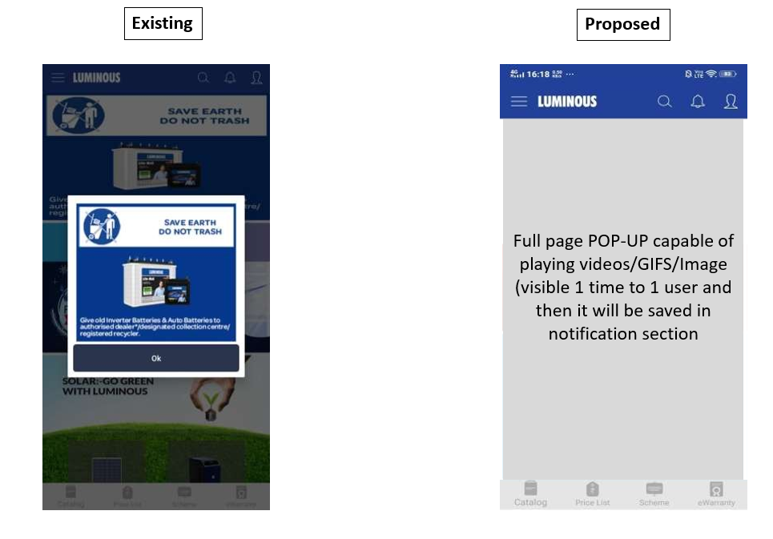

Requirement | Query | Effort | in days
Full page POP-UP capable of playing videos/GIFS/Image 1> type one permanent popup ( will be visible everytime the app opens ) 2> type two one time popup ( will be visible to user only once) | need clarity | Ios : | 10
 |  | Android : | 10
 |  | API | 7
 |  | QA | 2
 |  | UI | 2

 |  | * Assume 1 resource for Ios, Android and API
 |  | * Assume 1QA for mobile and 1 for backend

Home Page
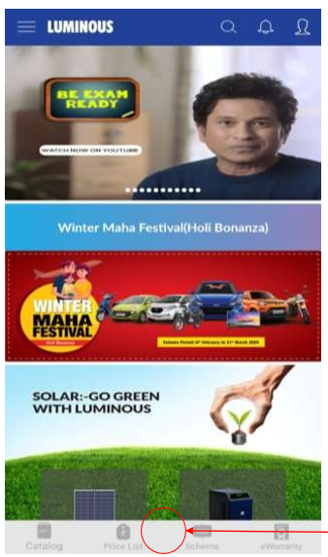

Requirement | Query | Effort | in days
User permission based homepage (Different content for different users- hierarchy based) | will this include every image in the home page | Ios : | 16
Digital scheme launcher button in center of footer grid with dynamic icon (Like Swiggy pop button in size and will remain hidden in case no digital scheme is running) | digital scheme can be user specific in that case this button should be visible to only those users who are eligible for digital scheme | Android : | 16
 |  | API | 16
 |  | QA | 5
 |  | UI | 2

 |  | * Assume 1.5 resource for Ios, Android and API
 |  | * Assume 1QA for mobile and 1 for backend

Side Drawer
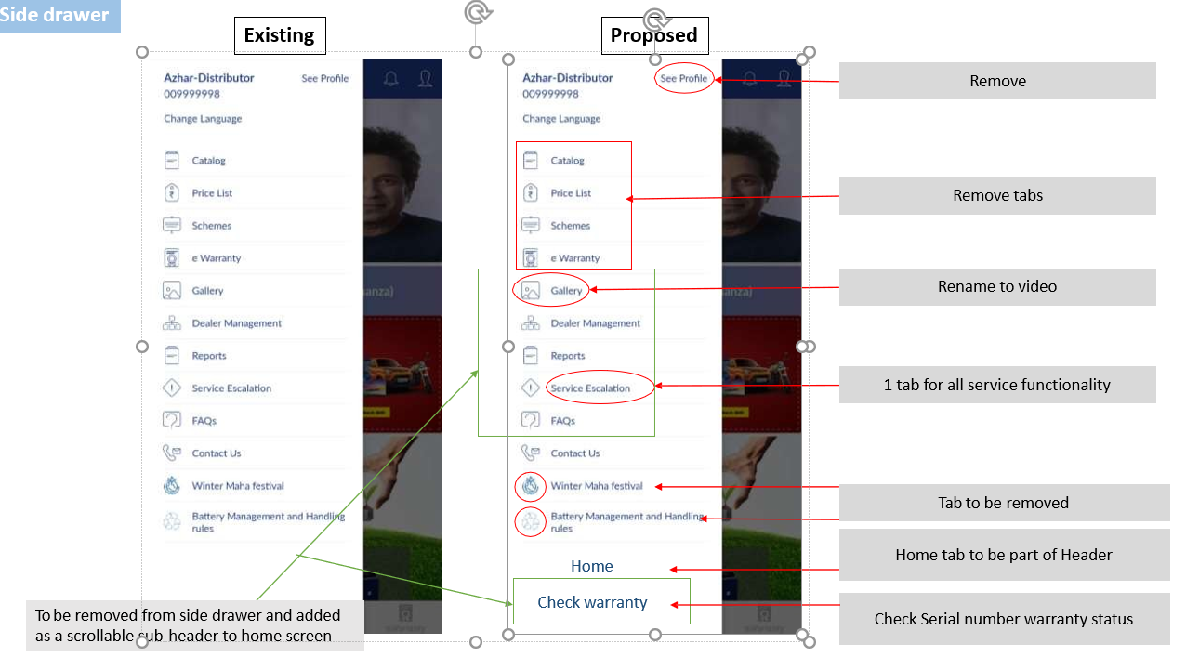
-1

 | Requirement | Query | Effort | in days
 | see profile option to be removed |  | Ios : | 2
 | catalog, pricelist, scheme and e-warranty to be removed |  | Android : | 2
 | rename gallery to "Luminous Youtube" and remove the option from side drawer |  | API | 2
 | gallery, dealer management, report, service escalation to be removed from side drawer and need to create a scrollable header in home page | this sub header should be dunamic | QA | 1
 | 1 tab for all service functionality | rename service escaltion to service | UI | 1
 | Winter maha festival tab to be removed
 | Home tab to be part of header | not required in side drawer. Need to add home icon with Luminous header
 | "check serial number warranty status " new tab to be added, this option will also be there in sub header |  | * Assume 1 resource for Ios, Android and API

Catalog
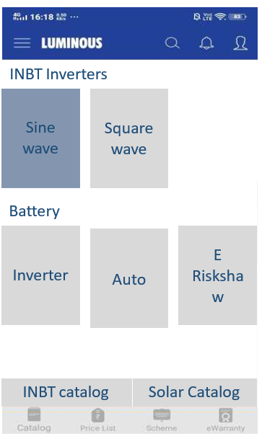
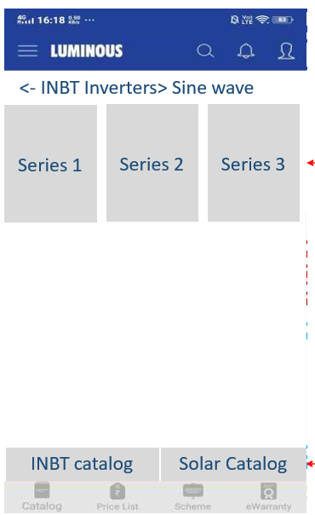

 | Requirement |  | Effort | in days
1 | This module will be visible to all users i.e (dealer, distributor, LPT employee and genral useres) | login autentication not required for this module | Query | 30
2 | Dynamic category Lable |  | Android : | 30
3 | Dynamic thumbnail for product category | this thumbnail will only have image or do we need text | API | 7
4 | Dynamic product list | this thumbnail will only have image or do we need text | QA | 6
 |  | on click should we open the PDF in the app it self and have a download option | UI | 3
 |  | this pdf will also be dynamic
5 | The catalog in the bottom | on click should we open the PDF in the app in pdf viewer
 |  | this pdf will also be dynamic | * Assume 1.5 resource for Ios, Android and API
 |  |  | * Assume 1QA for mobile and 1 for backend

Schemes
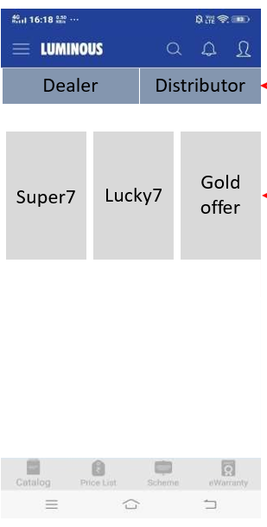

 | Requirement | Query | Effort | in days
1 | this module will be restricted for User | can we have different scheemes with in the dealer --------there can be different schemes with in the dealer eg Scheme A and B for dealer 1 and Scheme Band c for dealer 2 in that case disty will see all three scheme i.e A,B,C | Ios : | 12
 | Dealer can view his specific scheme |  | Android : | 12
 | Distributor can view both i.e his specific scheme and the scheme running for his mapped delaers |  | API | 5
 |  |  | QA | 3
2 | Distributor should have swipe and tap both option for this screen |  | UI | 2
3 | Dynamic scheme tiles with scheme thumbnail. Clicking tile will open PDF for view in PDF viewer (Download and share will be done from PDF viewer only)
4 | Switch of selecting dealer or distributor scheme (only for distributor, in dealer ID switch will not display)
 |  |  | * Assume 1.5 resource for Ios, Android and API
 |  |  | * Assume 1QA for mobile and 1 for backend

PriceList
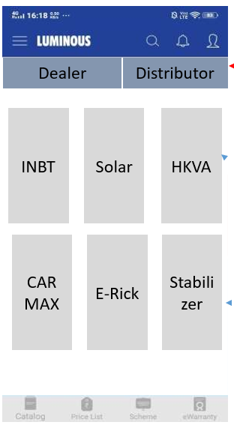

 | pricelisraccessScheem

 | Requirement | Query | Effort | in days
1 | Swipe and tap enabled dealer and distributor page selection for distributor |  | Ios : | 12
2 | Switch of selecting dealer or distributor pricelist (only for distributor, in dealer ID switch will not display) |  | Android : | 12
3 | Dynamic Category tiles in same order with vector icons. Clicking category tile will open PDF for view in PDF viewer (Download and share will be done from PDF viewer only) |  | API | 5
 | this module will be restricted for User | same as scheme | QA | 3
 | Dealer can view his specific pricelist |  | UI | 2
 | Distributor can view both i.e his specific pricelist and the pricelist for his mapped delaers
4 | Disty price list should be visible based on the channel | dealer will able to see the price list based on the mapped disty
 |  | if dealer is mapped with multiple disty , the price list of all the mapped disty will be visible to that dealer | * Assume 1.5 resource for Ios, Android and API
 |  |  | * Assume 1QA for mobile and 1 for backend

Ewarranty scanner
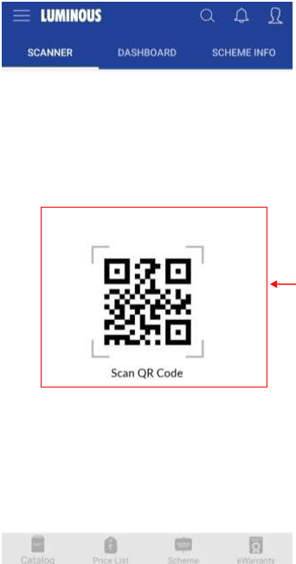
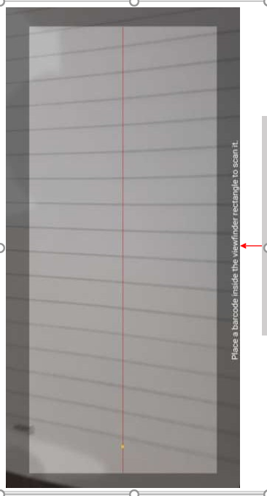

Requirement | Query | Effort | in days
Instead of bar code and QR code icons open scanner directly when user click scanner tab |  | Ios : | 1.5
Existing scanner open in a horizontal layout but it should be vertical and without any message | need to check if any licenced library available | Android : | 1.5
 |  | API | 1
 |  | QA | 1
 |  | UI | 1

 |  | * Assume 1.5 resource for Ios, Android and API
 |  | * Assume 1QA for mobile and 1 for backend

Scheme info Page
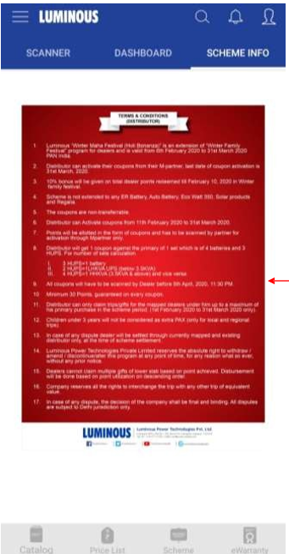

Requirement | Query | Effort | in days
 |  | Ios : | 5
only text and a thumbnail with an option to view in pdf viewer, also option to zoom in and zoom out the text |  | Android : | 5
 |  | API | 1
 |  | QA | 2
 |  | UI | 2

 |  | * Assume 1.5 resource for Ios, Android and API
 |  | * Assume 1QA for mobile and 1 for backend

Gallery
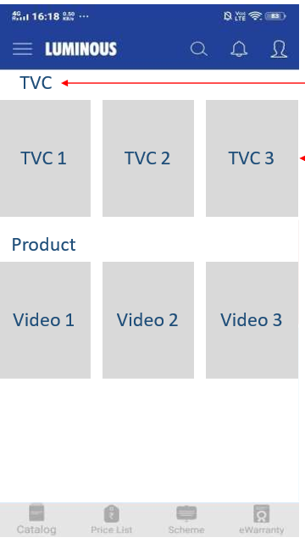

Requirement | Query | Effort - under discussion
To be Visible to Non- Login users as well
module name gallery to be changed to Luminous Youtube
When user clicks on Video option on sub header , youtube should get open (luminous channel) | need to check if we can open a specific channel
 | need to if we can play youtube in app

Check serial number warranty
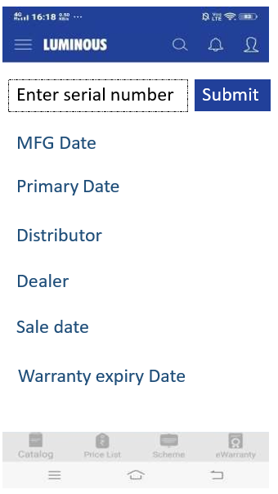

Requirement | Query | Effort | in days
New module to be created |  | Ios : | 3
user will enter the serial number | serial number will be entered manually or will be scanned | Android : | 3
on submit the detilas will get displayed | LPT will provide the API | API | LPT Effort
warranty expiry date to be removed |  | QA | 1
 |  | UI | 1

 |  | * Assume 1.5 resource for Ios, Android and API
 |  | * Assume 1QA for mobile and 1 for backend

Notification
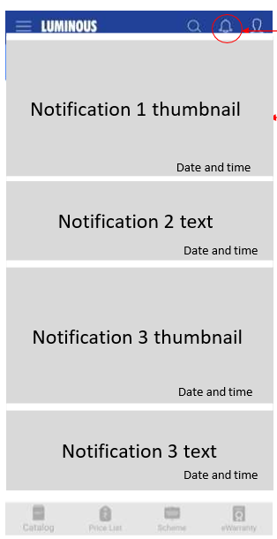

Requirement | Query | Effort | in days
on bell icon Count of unread notification should get displayed |  | Ios : | 20
latest entry should come first |  | Android : | 20
google and in app notification both to be manageged |  | QA | 5
need thumbnail view for text, video, GIF |  | API | 25
Video and GIF link can be visible in notification barm click on it will open video/gif sepratly |  | UI | 2

 |  | * Assume 1.5 resource for Ios, Android and API
 |  | * Assume 1QA for mobile and 1 for backend

Distributor report
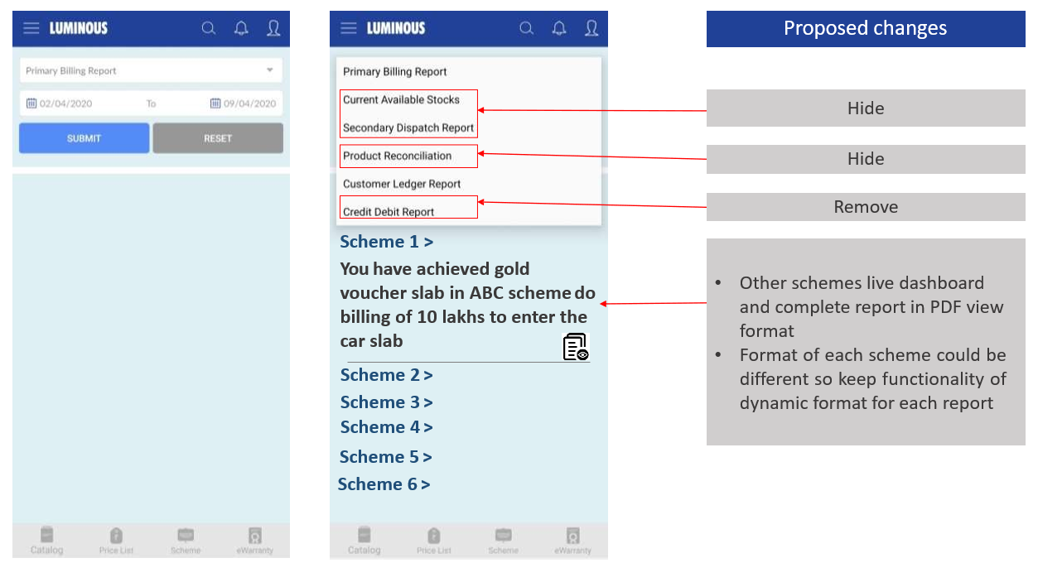

 |  | S1,S2 will be in dropdown | Latest scheme will be on top
 |  | Output- Summary and PDF option | No limit on description
 |  | If scheme is closed, remove from dropdown- not decided yet by LPT

Requirement | Query | Effort | in days
New module to be created - Distributor report |  | Ios : | 15
In this module only Primary billing and customer ledger report will be available |  | Android : | 15
other scheme live dashboard and complete dynamic report in PDF view format | based on the business requirement the report will be developed | API | 10+LPT Effort
 | need LPT API for scheme | QA | 5
 |  | UI | 2

 |  | * Assume 1.5 resource for Ios, Android and API
 |  | * Assume 1QA for mobile and 1 for backend

Dealer Management Report

 | Tab name will be Dealer Report

Requirement | Query | Effort | in days
 |  | Ios : | 15
Distributor can search dealer with dealer code, name and phone number in app |  | Android : | 15
Full dealer details in email report | need clarity | API | 10+LPT Effort
Dealer creation by distributor will be verified and approved by sales team (BM and Coordinator) | will be discussed later once the business confirms the process | QA | 5
Scheme related reports for dealers to be available, like Lucky 7 and E-Warranty | for disty there will be an option to select the dealer and based on the dealer list of reports will be displayed . Dealer will only see his reports on selecting any report the predefined summary will be displayed and a detail report should be availble for email | UI | 2
 | create dealer option to be hidden
 | search dealer to be renamed to dealer performance
 |  | * Assume 1.5 resource for Ios, Android and API
 |  | * Assume 1QA for mobile and 1 for backend

E-warranty
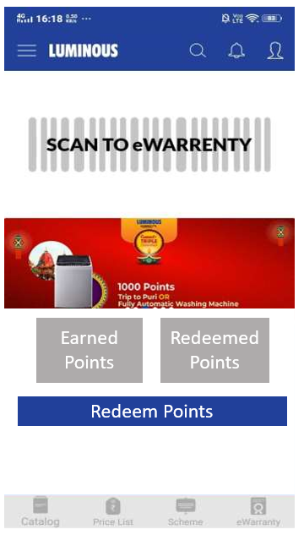
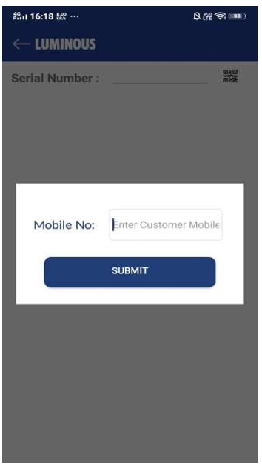
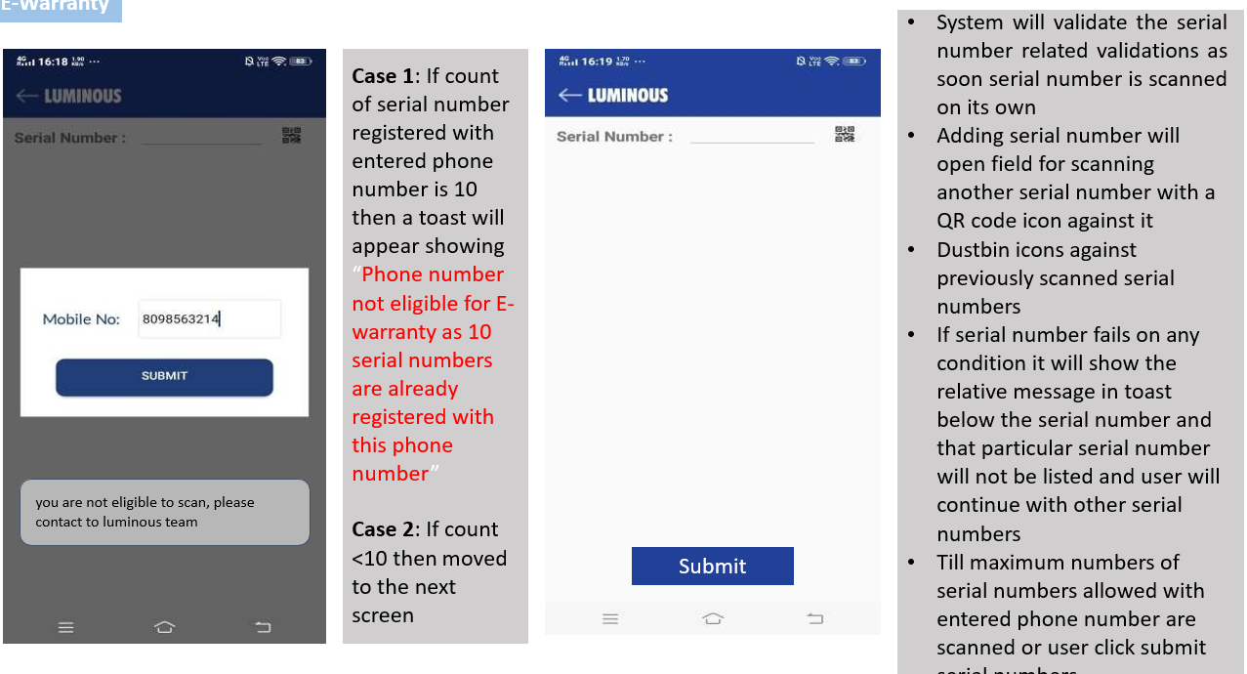
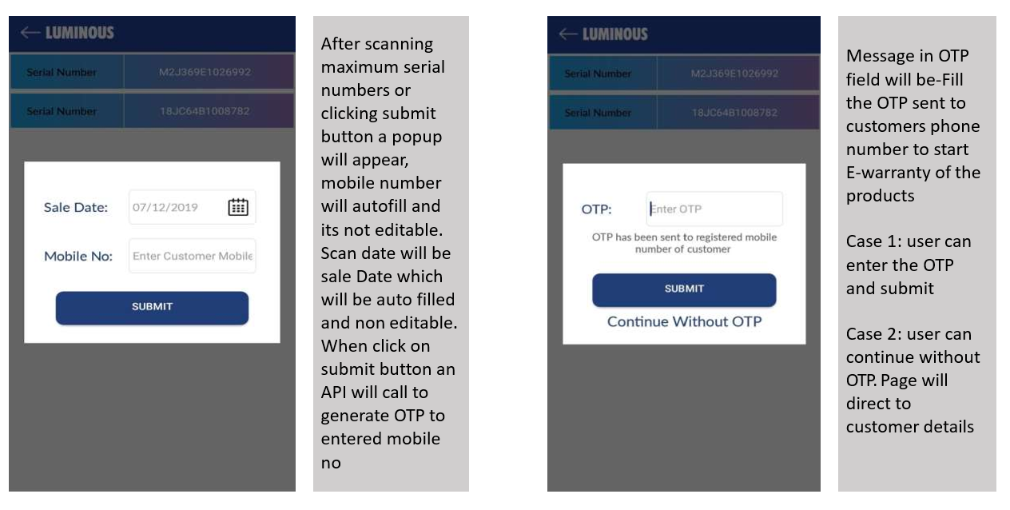
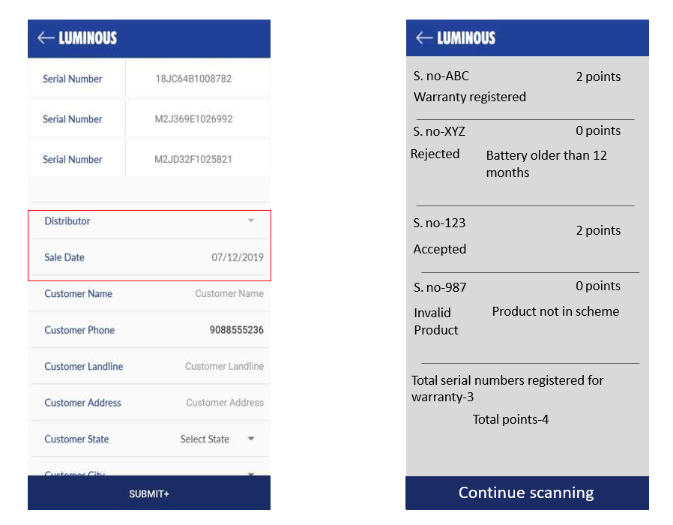

 | Requirement | Query | Effort | in days
 | New tabs to be created : |  | Ios : | 10
 | 1> Earned Points | need the API from the 3rd party to featch the value | Android : | 10
 | 2> Redeemed Points | need the API from the 3rd party to featch the value | API | LPT Effort
 | 3> Redeem Points > pinelab integration "redeem now" | need the url to where the user will be navigated to redeem points | QA | 4
 |  |  | UI | 2
Condition | Distributor have right to block dealer > in that case, redeem now buttom will not visible to dealer

 | E-warranty new validation
 | user will click on E-warranty tab
 | On click a pop will be displayed with an option to enter the mobile number | validation for mobile number 1> not less than 10 digit number 2> should start with only 6,7,8,9 3> only numberic value | * Assume 1.5 resource for Ios, Android and API
 | on submitting the mobile number LPT API will be called | Case 1: | * Assume 1QA for mobile and 1 for backend
 |  | If count of serial number received from the API for the entered phone number is 0 then a toast will appear showing “Phone number not eligible for E- warranty as 10 serial numbers are already registered with this phone number”
 |  | Case 2:
 |  | if the count eceived from the API is greater than zero the user will navigate to next page
 | On scanning the Serial number the API will get hit to check the validation of the serial number, if in response "Ok" is received
 | next field will get displayed to scan the next serial number
 | Dustbin icons against previously scanned serial numbers to remove that entry if wrongly scanned
 | If serial number fails on any condition it will show the relative message in toast below the serial number and that particular serial number will not be listed and user will continue with other serial numbers
 | Till maximum numbers of serial numbers allowed with entered phone number are scanned or user click submit serial numbers
 | After scanning maximum serial numbers or clicking submit button a popup will appear, mobile number will autofill and its not editable. Scan date will be sale Date which will be auto filled and non editable. When click on submit button an API will call to generate OTP to entered mobile no
 | Message in OTP field will be-Fill the OTP sent to customers phone number to start E-warranty of the products Case 1: user can enter the OTP and submit Case 2: user can continue without OTP. Page will direct to customer details | when serial number is submitted below fields to sent from LPT which will be displayed: 1> serial number 2> Status 3> normal points 4> bouns points 5> mapped distributor if bonus point is blank in that case that field will not be visible.
 | option to select disty and sale date to be removed

Profile
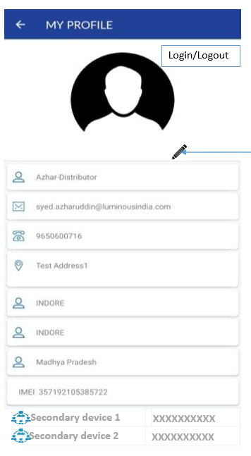

need a detailed discussion on profile during the process

Requirement | Query | Effort | in days
•Edit profile icon (pencil) for primary user so as to change all the profile details, it will be updated in Mpartner instantly with a message “Detail change are subject to verification” against the changed detail | LPT to confirm the editable filed and if the filed is editable whct will be verification and approval process | Ios : | 12
•Detail fields which Luminous team needs to verify before approving it will have a mandatory field of attaching related document when user change the respective field detail (Mobile number, E-mail, address, city, state-OTP & link based verification. 2 fields for addresses (SAP & Mpartner) | need clarity | Android : | 12
•(Change allowed only in Mpartner address for distributor-all fields allowed for dealers) | need clarity | API | 10
•Primary device user can add secondary user by entering phone number or remove it |  | QA | 4
 |  | UI | 0

 |  | * Assume 1.5 resource for Ios, Android and API
 |  | * Assume 1QA for mobile and 1 for backend

FAQs
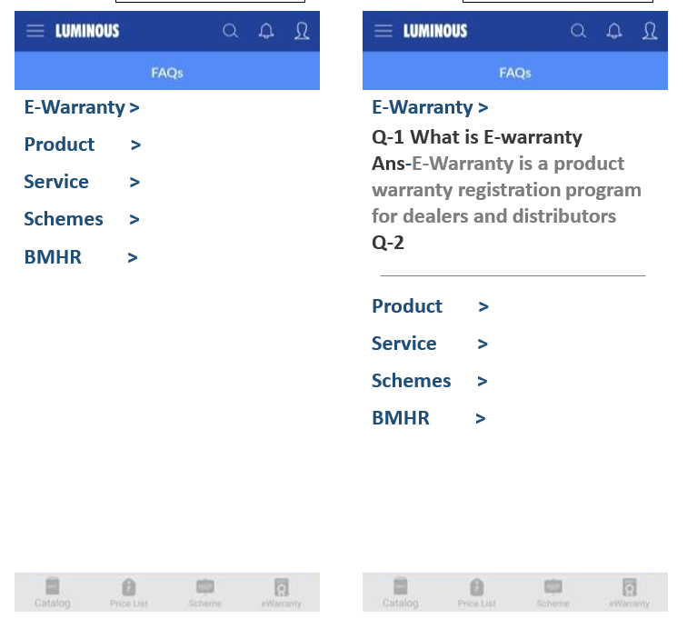

need collapse and expand view | Effort | in days
 | Ios : | 3
 | Android : | 3
 | API | 2
 | QA | 2
 | UI | 1

 | * Assume 1.5 resource for Ios, Android and API
 | * Assume 1QA for mobile and 1 for backend

contact Us
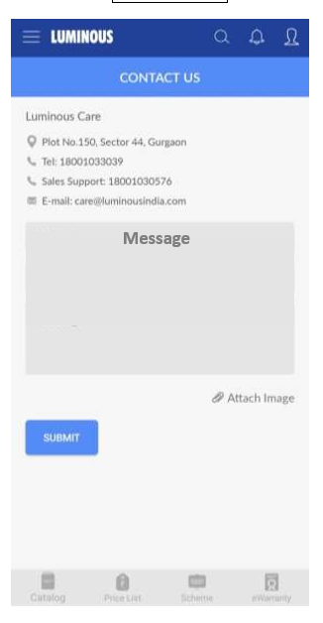

Effort | in days
Ios : | 1
Android : | 1
API | 1
QA | 1
UI | 0

* Assume 1.5 resource for Ios, Android and API

